Sheet1
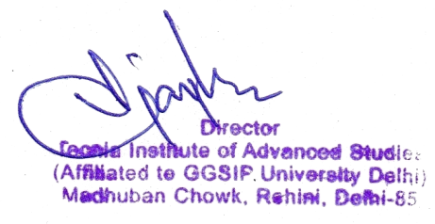
4.1.4 Expenditure, excluding salary for infrastructure augmentation during the year (INR in Lakhs) & 4.4.1 Expenditure incurred on maintenance of infrastructure (physical and academic support facilities) excluding salary component during the year (INR in Lakhs)
Year | Budget allocated for infrastructure augmentation | Expenditure for infrastructure augmentation | Total expenditure excluding Salary | Expenditure on maintenace of academic facilities (excluding salary for human resources) | Expenditure on maintenance of physical facilities (excluding salary for human resources)
2021-2022 | 50.00 | 29.94 | 603.98 | 41.22 | 32.83

