1.2.3
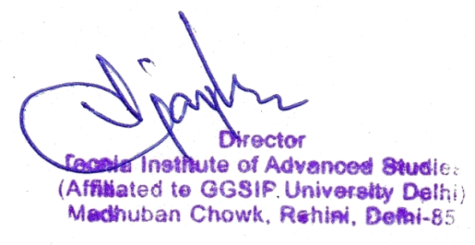
1.2.3 Number of Students enrolled in Certificate/ Add-on programmes as agaisnt the total No. of Students during the year.

Programme | Name of Add on /Certificate /Value added programs offered . | Course Code (if any) | Year of offering | No. of times offered during the same year | Duration of course | Number of students enrolled in the year | Number of Students completing the course in the year
BBA | NISM Mutual Fund | NISMMF-BBA | 2021-2022 | 1 | 30 | 336 | 336
MBA | NISM Derivative Market Module | NISMDM | 2021-2022 | 1 | 30 | 25 | 25
BCA | Ethical Hacking | EH | 2021-2022 | 1 | 30 | 112 | 112
BCA | Advance Ethical Hacking | AEH | 2021-2022 | 1 | 30 | 112 | 112
BCA | Cyber Security | CS | 2021-2022 | 1 | 30 | 97 | 97
BAJMC | Certification in Photography | CP | 2021-2022 | 2 | 30 | 180 | 180
BAJMC | Visual Communication and Design | VCD | 2021-2022 | 2 | 30 | 193 | 193
BAJMC | Advance Certification in Photography | ACP | 2021-2022 | 2 | 30 | 185 | 185
Total |  |  |  |  |  | 1240 | 1240

