1.2.2
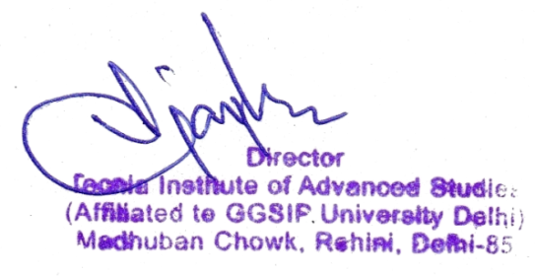
1.2.2 Number of Add on /Certificate/ programs offered during the year)
Year (2021-2022)
How many Add on /Certificate programs are added during the year. | Course Code (if any) | Year of offering | No. of times offered during the same year | Duration of course | Number of students enrolled in the year | Number of Students completing the course in the year
NISM Mutual Fund | NISMMF-BBA | 2021-2022 | 1 | 30 | 336 | 336
NISM Derivative Market Module | NISMDM | 2021-2022 | 1 | 30 | 25 | 25
Ethical Hacking | EH | 2021-2022 | 1 | 30 | 112 | 112
Advance Ethical Hacking | AEH | 2021-2022 | 1 | 30 | 112 | 112
Cyber Security | CS | 2021-2022 | 1 | 30 | 97 | 97
Certification in Photography | CP | 2021-2022 | 2 | 30 | 180 | 180
Visual Communication and Design | VCD | 2021-2022 | 2 | 30 | 193 | 193
Advance Certification in Photography | ACP | 2021-2022 | 2 | 30 | 185 | 185
Total = 08 |  |  |  |  | 1240 | 1240

